価格変更依頼
jshida@ebay.com
info@sidecar.jp.net
【ご対応お願いします】価格コム 売価固定の修正_mm/dd
Qoo10 志田様
お世話になっております。Qoo10EVENT-TIREの長牛です。
価格コム掲載商品の価格を添付エクセルの価格の通り
売価固定修正のご対応をいただけますでしょうか。
よろしくお願い致します。
依頼日 |  |  |  |  |  |  |  |  |  |  |  |  |  | JANcode | Qoo10 商品コード | 製品名･型番(価格coM) | 売れ筋順位(価格coM) | 価格コム 表示価格 | 販売価格(Qoo10) | 供給原価 | 手数料率 | 在庫数量 | Seller ID | Staff ID | Staff所属 | 価格コム Item Url | 在庫・発送 | 一言コメント | 販売者情報表示 |  |  |  | 依頼日 |  | 0 | 672707
 | 製品名･型番(価格com) | 価格コム URL |  |  | 店舗名 | 商品価格 | 送料 | 提携割 引価格 (送料込) | 送料別 コスト (税抜) | Qoo10 粗利率 | Qoo10 商品コード |  | 供給原価 清算金額 Q競合比較 | 販売価格 管理画面 |  |  |  | 提携割引価格 |  |  |  |  |  |  |  | URL |  |  |  | 送料 | 送料区分 | Qoo10 送料ｺｰﾄﾞ |  |  | 900 | 672706
 | Pilot Sport 5 255/35ZR19 96Y XL | https://kakaku.com/item/K0001421021/ | PS | 83 | TIREWheelPREMIUM | 34,500 | 0 | 34,500 | 30,409 | 27.7% | 1074476196 | https://www.qoo10.jp/g/1074476196 | 37,058 | 40,723 | 1074476196 |  |  | 37,800 |  |  |  |  |  |  |  | https://kakaku.com/item/K0001421021/ |  |  |  |  | 0 | 672707 | 12/7
 | Pilot Sport 5 255/40ZR18 99Y XL | https://kakaku.com/item/K0001421038/ | PS | 84 | Mail Order House | 36,300 | 0 | 36,300 | 32,045 | 7.0% | 1074475997 | https://www.qoo10.jp/g/1074475997 | 36,470 | 40,076 | 1074475997 |  |  | 37,200 |  |  |  |  |  |  |  | https://kakaku.com/item/K0001421038/ |  |  |  |  | 900 | 672706 | 12/7
 | Pilot Sport 5 255/40ZR19 100Y XL | https://kakaku.com/item/K0001421022/ | PS | 85 | Qoo10 EVENT | 35,400 | 0 | 35,400 | 31,227 | 11.1% | 1074476014 | https://www.qoo10.jp/g/1074476014 | 34,705 | 38,137 | 1074476014 |  |  | 35,400 |  |  |  |  |  |  |  | https://kakaku.com/item/K0001421022/ |  |  |  |  | 0 | 672707 | 12/7
 | Pilot Sport 5 265/35ZR18 97Y XL | https://kakaku.com/item/K0001421040/ | PS | 87 |  |  |  | 36,500 | 32,227 | 12.2% | 1074475979 | https://www.qoo10.jp/g/1074475979 | 35,784 | 39,323 | 1074475979 |  |  | 36,500 |  |  |  |  |  |  |  | https://kakaku.com/item/K0001421040/ |  |  |  |  | 0 | 672707 | 12/7
 | Pilot Sport 5 265/35ZR18 97Y XL | https://kakaku.com/item/K0001421040/ | PS | 87 |  |  |  | 36,500 | 32,227 | 21.6% | 1074475961 | https://www.qoo10.jp/g/1074475961 | 35,784 | 39,323 | 1074475961 |  |  | 36,500 |  |  |  |  |  |  |  | https://kakaku.com/item/K0001421040/ |  |  |  |  | 0 | 672707 | 12/7
 | CROSSCLIMATE 2 SUV 255/55R18 109W XL | https://kakaku.com/item/K0001461549/ |  |  |  |  |  |  |  |  | 1074475779 |  | 28,921 | 31,781 | 1074475779 |  |  | 29,500 |  |  |  |  |  |  |  | https://kakaku.com/item/K0001461549/ |  |  |  |  | 0 | 672707 | 12/12
 | ENERGY SAVER 4 145/80R13 79S XL | https://kakaku.com/item/K0001226168/ |  |  |  |  |  |  |  |  | 1074475859 |  | 5,588 | 6,140 | 1074475859 |  |  | 5,700 |  |  |  |  |  |  |  | https://kakaku.com/item/K0001226168/ |  |  |  |  | 900 | 672706 | 12/12
 | CROSSCLIMATE 2 245/40R18 97Y XL | https://kakaku.com/item/K0001387082/ |  |  |  |  |  |  |  |  | 1074476172 |  | 31,499 | 34,614 | 1074476172 |  |  | 32,129 |  |  |  |  |  |  |  | https://kakaku.com/item/K0001387082/ |  |  |  |  | 0 | 672707 | 12/12
 | CROSSCLIMATE 2 235/40R19 96Y XL | https://kakaku.com/item/K0001387065/ |  |  |  |  |  |  |  |  | 1074476176 |  | 29,411 | 32,319 | 1074476176 |  |  | 30,000 |  |  |  |  |  |  |  | https://kakaku.com/item/K0001387065/ |  |  |  |  | 0 | 672707 | 12/12
 | CROSSCLIMATE 2 225/50R17 98Y XL | https://kakaku.com/item/K0001387095/ |  |  |  |  |  |  |  |  | 1074476177 |  | 22,735 | 24,983 | 1074476177 |  |  | 23,190 |  |  |  |  |  |  |  | https://kakaku.com/item/K0001387095/ |  |  |  |  | 0 | 672707 | 12/12
 | CROSSCLIMATE 2 225/45R17 94Y XL | https://kakaku.com/item/K0001387095/ |  |  |  |  |  |  |  |  | 1074476179 |  | 22,548 | 24,778 | 1074476179 |  |  | 22,999 |  |  |  |  |  |  |  | https://kakaku.com/item/K0001387095/ |  |  |  |  | 0 | 672707 | 12/12
 | CROSSCLIMATE 2 195/65R16 92V | https://kakaku.com/item/K0001387106/ |  |  |  |  |  |  |  |  | 1074476184 |  | 14,840 | 16,307 | 1074476184 |  |  | 15,137 |  |  |  |  |  |  |  | https://kakaku.com/item/K0001387106/ |  |  |  |  | 0 | 672707 | 12/12
 | CROSSCLIMATE 2 185/60R15 88V XL | https://kakaku.com/item/K0001387119/ |  |  |  |  |  |  |  |  | 1074476366 |  | 12,842 | 14,112 | 1074476366 |  |  | 13,099 |  |  |  |  |  |  |  | https://kakaku.com/item/K0001387119/ |  |  |  |  | 0 | 672707 | 12/12
 | ENERGY SAVER 4 185/60R16 86H | https://kakaku.com/item/K0001226149/ |  |  |  |  |  |  |  |  | 1074476643 |  | 12,156 | 13,358 | 1074476643 |  |  | 12,400 |  |  |  |  |  |  |  | https://kakaku.com/item/K0001226149/ |  |  |  |  | 0 | 672707 | 12/12
 | CROSSCLIMATE 2 235/55R18 104V XL | https://kakaku.com/item/K0001516000/ |  |  |  |  |  |  |  |  | 1074735356 |  | 23,509 | 25,834 | 1074735356 |  |  | 23,980 |  |  |  |  |  |  |  | https://kakaku.com/item/K0001516000/ |  |  |  |  | 0 | 672707 | 12/12
 | CROSSCLIMATE2 205/55R16 91W | https://kakaku.com/item/K0001589848/ |  |  |  |  |  |  |  |  | 1075483584 |  | 18,431 | 20,253 | 1075483584 |  |  | 18,800 |  |  |  |  |  |  |  | https://kakaku.com/item/K0001589848/ |  |  |  |  | 0 | 672707 | 12/12
 | CROSSCLIMATE 2 225/50R17 98Y XL | https://kakaku.com/item/K0001387095/ |  |  |  |  |  |  |  |  | 1074476177 |  | 22,735 | 24,983 | 1074476177 |  |  | 23,190 |  |  |  |  |  |  |  | https://kakaku.com/item/K0001387095/ |  |  |  |  | 0 | 672707 | 12/13
 | CROSSCLIMATE 2 SUV 255/55R18 109W XL | https://kakaku.com/item/K0001461549/ |  |  |  |  |  |  |  |  | 1074475779 |  | 28,921 | 31,781 | 1074475779 |  |  | 29,500 |  |  |  |  |  |  |  | https://kakaku.com/item/K0001461549/ |  |  |  |  | 0 | 672707 | 12/13
 | CROSSCLIMATE 2 235/55R18 104V XL | https://kakaku.com/item/K0001516000/ |  |  |  |  |  |  |  |  | 1074735356 |  | 23,509 | 25,834 | 1074735356 |  |  | 23,980 |  |  |  |  |  |  |  | https://kakaku.com/item/K0001516000/ |  |  |  |  | 0 | 672707 | 12/13
 | Primacy 4 195/60R15 92V XL | https://kakaku.com/item/K0001231879/ |  |  |  |  |  |  |  |  | 1074476171 |  | 12,549 | 13,790 | 1074476171 |  |  | 12,800 |  |  |  |  |  |  |  | https://kakaku.com/item/K0001231879/ |  |  |  |  | 0 | 672707 | 12/13
 | Primacy 4 195/65R15 91V | https://kakaku.com/item/K0001184359/ |  |  |  |  |  |  |  |  | 1074476559 |  | 12,450 | 13,681 | 1074476559 |  |  | 12,700 |  |  |  |  |  |  |  | https://kakaku.com/item/K0001184359/ |  |  |  |  | 0 | 672707 | 12/13
 | Primacy 4+ 205/55R17 95V XL | https://kakaku.com/item/K0001421796/ |  |  |  |  |  |  |  |  | 1074475995 |  | 18,235 | 20,038 | 1074475995 |  |  | 18,600 |  |  |  |  |  |  |  | https://kakaku.com/item/K0001421796/ |  |  |  |  | 900 | 672706 | 12/13
 | Primacy 4+ 215/55R17 94W | https://kakaku.com/item/K0001421798/ |  |  |  |  |  |  |  |  | 1074475993 |  | 18,039 | 19,823 | 1074475993 |  |  | 18,400 |  |  |  |  |  |  |  | https://kakaku.com/item/K0001421798/ |  |  |  |  | 0 | 672707 | 12/13
 | Primacy 4+ 215/55R18 99V XL | https://kakaku.com/item/K0001421808/ |  |  |  |  |  |  |  |  | 1074475994 |  | 20,588 | 22,624 | 1074475994 |  |  | 21,000 |  |  |  |  |  |  |  | https://kakaku.com/item/K0001421808/ |  |  |  |  | 0 | 672707 | 12/13
 | Primacy 4+ 215/60R17 96V | https://kakaku.com/item/K0001421799/ |  |  |  |  |  |  |  |  | 1074475992 |  | 16,470 | 18,098 | 1074475992 |  |  | 16,800 |  |  |  |  |  |  |  | https://kakaku.com/item/K0001421799/ |  |  |  |  | 0 | 672707 | 12/13
 | Primacy 4+ 225/40R18 92Y XL | https://kakaku.com/item/K0001421809/ |  |  |  |  |  |  |  |  | 1074475959 |  | 21,568 | 23,701 | 1074475959 |  |  | 22,000 |  |  |  |  |  |  |  | https://kakaku.com/item/K0001421809/ |  |  |  |  | 0 | 672707 | 12/13
 | Primacy 4+ 225/45R18 95Y XL | https://kakaku.com/item/K0001421810/ |  |  |  |  |  |  |  |  | 1074476009 |  | 23,137 | 25,425 | 1074476009 |  |  | 23,600 |  |  |  |  |  |  |  | https://kakaku.com/item/K0001421810/ |  |  |  |  | 0 | 672707 | 12/13
 | Primacy SUV+ 235/60R18 103V | https://kakaku.com/item/K0001424179/ |  |  |  |  |  |  |  |  | 1074475936 |  | 23,019 | 25,295 | 1074475936 |  |  | 23,480 |  |  |  |  |  |  |  | https://kakaku.com/item/K0001424179/ |  |  |  |  | 0 | 672707 | 12/13
 | Primacy SUV+ 245/60R18 105V | https://kakaku.com/item/K0001424181/ |  |  |  |  |  |  |  |  | 1074476649 |  | 23,901 | 26,264 | 1074476649 |  |  | 24,380 |  |  |  |  |  |  |  | https://kakaku.com/item/K0001424181/ |  |  |  |  | 900 | 672706 | 12/13
 | e・Primacy 205/55R17 95V XL | https://kakaku.com/item/K0001370742/ |  |  |  |  |  |  |  |  | 1074476006 |  | 17,941 | 19,715 | 1074476006 |  |  | 18,300 |  |  |  |  |  |  |  | https://kakaku.com/item/K0001370742/ |  |  |  |  | 0 | 672707 | 12/13
 | Pilot Sport 4 225/50R16 92Y | https://kakaku.com/item/K0001231833/ |  |  |  |  |  |  |  |  | 1074476146 |  | 23,843 | 26,201 | 1074476146 |  |  | 24,320 |  |  |  |  |  |  |  | https://kakaku.com/item/K0001231833/ |  |  |  |  | 0 | 672707 | 12/13
 | Pilot Sport 4 255/40R18 99Y XL ☆ | https://kakaku.com/item/K0001423295/ |  |  |  |  |  |  |  |  | 1074476201 |  | 41,372 | 45,463 | 1074476201 |  |  | 42,200 |  |  |  |  |  |  |  | https://kakaku.com/item/K0001423295/ |  |  |  |  | 0 | 672707 | 12/13
 | BLIZZAK DM-V3 265/60R18 110R | https://kakaku.com/item/K0001374030/ |  |  |  |  |  |  |  |  | 1074476347 |  | 27,941 | 30,704 | 1074476347 |  |  | 28,500 |  |  |  |  |  |  |  | https://kakaku.com/item/K0001374030/ |  |  |  |  | 0 | 672707 | 12/13
 | BLIZZAK VRX3 165/65R14 79Q | https://kakaku.com/item/K0001371407/ |  |  |  |  |  |  |  |  | 1074476691 |  | 9,846 | 10,820 | 1074476691 |  |  | 10,240 |  |  |  |  |  |  |  | https://kakaku.com/item/K0001371407/ |  |  |  |  | 900 | 672706 | 12/13
 | BLIZZAK VRX3 185/60R15 84Q | https://kakaku.com/item/K0001371391/ |  |  |  |  |  |  |  |  | 1074476699 |  | 17,609 | 19,350 | 1074476699 |  |  | 19,130 |  |  |  |  |  |  |  | https://kakaku.com/item/K0001371391/ |  |  |  |  | 900 | 672706 | 12/13
 | BLIZZAK VRX3 215/55R17 94Q | https://kakaku.com/item/K0001371360/ |  |  |  |  |  |  |  |  | 1074476686 |  | 31,304 | 34,400 | 1074476686 |  |  | 32,670 |  |  |  |  |  |  |  | https://kakaku.com/item/K0001371360/ |  |  |  |  | 900 | 672706 | 12/13
 | WINTER MAXX 02 225/50R17 94S | https://kakaku.com/item/K0001299992/ |  |  |  |  |  |  |  |  | 1074475811 |  | 20,921 | 22,990 | 1074475811 |  |  | 21,340 |  |  |  |  |  |  |  | https://kakaku.com/item/K0001299992/ |  |  |  |  | 0 | 672707 | 12/13
2023-12-14 | CROSSCLIMATE 2 SUV 255/55R18 109W XL | https://kakaku.com/item/K0001461549/ | CC | 61 | Mail Order House | 29,500 | 0 | 29,500 | 25,864 | 12.2% | 1074475779 | https://www.qoo10.jp/g/1074475779 | 28,921 | 31,781 | 1074475779 |  |  | 29,500 |  |  |  |  |  |  |  | https://kakaku.com/item/K0001461549/ |  |  |  |  | 0 | 672707 | 2 12/13依頼分 なぜ表示されないか？
2023-12-14 | CROSSCLIMATE 2 235/55R18 104V XL | https://kakaku.com/item/K0001516000/ | CC | 75 | Mail Order House | 23,980 | 0 | 23,980 | 20,845 | 12.3% | 1074735356 | https://www.qoo10.jp/g/1074735356 | 23,509 | 25,834 | 1074735356 |  |  | 23,980 |  |  |  |  |  |  |  | https://kakaku.com/item/K0001516000/ |  |  |  |  | 0 | 672707 | 2 12/13依頼分 なぜ表示されないか？
2023-12-14 | Primacy 4+ 205/55R17 95V XL | https://kakaku.com/item/K0001421796/ | Pr | 44 | Qoo10 EVENT | 18,000 | 900 | 18,900 | 17,182 | 100.0% | 1074475995 | https://www.qoo10.jp/g/1074475995 | 18,182 | 19,980 | 1074475995 |  |  | 18,600 |  |  |  |  |  |  |  | https://kakaku.com/item/K0001421796/ |  |  |  |  | 900 | 672706 | 2 12/14販売価格を変更後で確認 | Qoo10に依頼しない
2023-12-14 | POTENZA Adrenalin RE004 205/45R17 88W XL | https://kakaku.com/item/K0001225150/ | PO | 1 | TPS-WAVE尼崎本店 | 21,777 | 720 | 22,497 | 19,975 | 47.2% | 1074476194 | https://www.qoo10.jp/g/1074476194 | 22,055 | 24,236 | 1074476194 |  |  | 22,497 |  |  |  |  |  |  |  | https://kakaku.com/item/K0001225150/ |  |  |  |  | 0 | 672707 | 2
2023-12-14 | POTENZA Adrenalin RE004 205/50R16 87W | https://kakaku.com/item/K0001225159/ | PO | 2 | TIREHOOD | 15,840 | 1,100 | 16,940 | 14,923 | 37.3% | 1074476388 | https://www.qoo10.jp/g/1074476388 | 15,725 | 17,280 | 1074476388 |  |  | 16,040 |  |  |  |  |  |  |  | https://kakaku.com/item/K0001225159/ |  |  |  |  | 900 | 672706 | 2
2023-12-14 | POTENZA Adrenalin RE004 205/55R16 91W | https://kakaku.com/item/K0001225164/ | PO | 3 | タイヤ＆ホイール | 14,500 | 0 | 14,500 | 12,705 | 27.4% | 1074476315 | https://www.qoo10.jp/g/1074476315 | 15,901 | 17,473 | 1074476315 |  |  | 16,220 |  |  |  |  |  |  |  | https://kakaku.com/item/K0001225164/ |  |  |  |  | 0 | 672707 | 2
2023-12-14 | POTENZA Adrenalin RE004 215/45R17 91W XL | https://kakaku.com/item/K0001225149/ | PO | 4 | Mail Order House | 16,800 | 0 | 16,800 | 14,795 | 28.8% | 1074476193 | https://www.qoo10.jp/g/1074476193 | 16,470 | 18,098 | 1074476193 |  |  | 16,800 |  |  |  |  |  |  |  | https://kakaku.com/item/K0001225149/ |  |  |  |  | 0 | 672707 | 2
2023-12-14 | POTENZA Adrenalin RE004 215/55R17 94W | https://kakaku.com/item/K0001225156/ | PO | 5 | TPS-WAVE尼崎本店 | 18,132 | 720 | 18,852 | 16,184 | 33.5% | 1074476191 | https://www.qoo10.jp/g/1074476191 | 17,774 | 19,531 | 1074476191 |  |  | 18,130 |  |  |  |  |  |  |  | https://kakaku.com/item/K0001225156/ |  |  |  |  | 900 | 672706 | 2
2023-12-14 | POTENZA Adrenalin RE004 225/40R18 92W XL | https://kakaku.com/item/K0001225141/ | PO | 6 | ドライブマーケット | 17,650 | 0 | 17,650 | 15,568 | 18.0% | 1074476192 | https://www.qoo10.jp/g/1074476192 | 17,303 | 19,014 | 1074476192 |  |  | 17,650 |  |  |  |  |  |  |  | https://kakaku.com/item/K0001225141/ |  |  |  |  | 0 | 672707 | 2
2023-12-14 | POTENZA Adrenalin RE004 225/45R17 94W XL | https://kakaku.com/item/K0001225148/ | PO | 7 | ドライブマーケット | 13,880 | 0 | 13,880 | 12,141 | 11.6% | 1074476389 | https://www.qoo10.jp/g/1074476389 | 13,607 | 14,952 | 1074476389 |  |  | 13,880 |  |  |  |  |  |  |  | https://kakaku.com/item/K0001225148/ |  |  |  |  | 0 | 672707 | 2
2023-12-14 | POTENZA Adrenalin RE004 225/50R17 98W XL | https://kakaku.com/item/K0001225152/ | PO | 9 | Mail Order House | 17,488 | 0 | 17,488 | 14,944 | 25.5% | 1074476387 | https://www.qoo10.jp/g/1074476387 | 17,145 | 18,840 | 1074476387 |  |  | 17,488 |  |  |  |  |  |  |  | https://kakaku.com/item/K0001225152/ |  |  |  |  | 0 | 672707 | 2
...

申請
sdcakmvh | 3sm8amkf
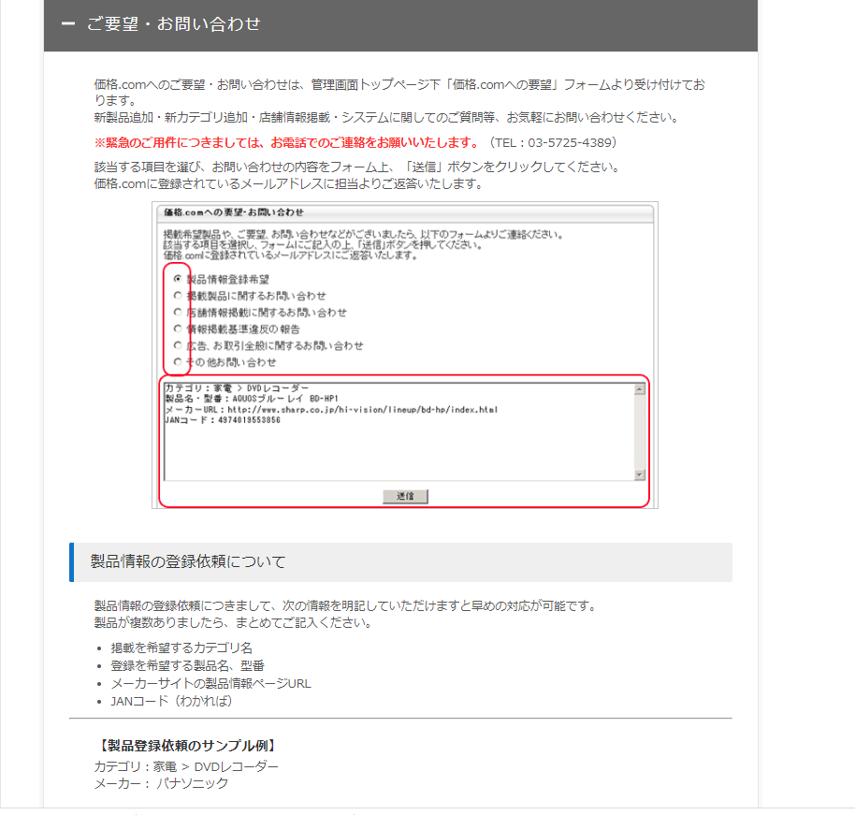
https://help.kakaku.com/shopreg/cat10.html#no626
...

